Sick Leave
Time Off | Date | Day of the Week | Type | Requested | Unit of Time | Comment
Absence Request: Yan Zhang | 2026-05-21 | Thursday | Sick Leave (Partial Day) | 4 | Hours | Sick Leave for a Dental Appointment – retrospectively recorded in the new system
Absence Request: Yan Zhang | 2026-02-25 | Wednesday | Sick Leave | 3.5 | Hours | Sickness Recording, 25/02/2026 - 25/02/2026 (I have period cramps)
Absence Request: Yan Zhang | 2026-01-23 | Friday | Sick Leave | 7 | Hours | Sickness Recording, 23/01/2026 - 23/01/2026 (Flu)
Absence Request: Yan Zhang | 2026-01-20 | Tuesday | Sick Leave | 3.5 | Hours | Sickness Recording, 20/01/2026 - 20/01/2026 (I had a fever this morning and I�m feeling really sick.)
Absence Request: Yan Zhang | 2026-01-14 | Wednesday | Sick Leave | 3.5 | Hours | Sickness Recording, 14/01/2026 - 14/01/2026 (Sickness leave for my genetic test.)
Absence Request: Yan Zhang | 2025-12-02 | Tuesday | Sick Leave | 3.5 | Hours | Sickness Recording, 02/12/2025 - 02/12/2025 (Have a Orthodontist appointment with Dr Majid Alimadadian)
Absence Request: Yan Zhang | 2025-10-22 | Wednesday | Sick Leave | 3.5 | Hours | Sickness Recording, 22/10/2025 - 22/10/2025 (I'd like to request a half-day sick leave on 22nd October for the orthodontic appointment. Thank you!)

Explanation of Sick Leave (1 September 2025 – 1 July 2026)
During this period, I had 7 instances of sickness absence totaling 28.5 hours. All absences were due to genuine medical reasons or necessary medical appointments, and supporting evidence is available for each instance.
Reasons for absence:
- 22 October 2025, 2 December 2025, 21 May 2026 – Orthodontist appointments. I started orthodontic treatment in October 2025 and am required to attend regular appointments as part of the treatment plan.
- 14 January 2026 – Genetic testing appointment. This specialist appointment had been booked approximately six months in advance and could not easily be rescheduled.
- 20 January 2026 and 23 January 2026 – Acute illness. I had a high fever and was coughing up blood, making me medically unfit to work.
- 25 February 2026 – Severe menstrual pain. I attended work but became unable to continue working and went home to rest.
I take my attendance and professional responsibilities seriously. Every absence during this period resulted from a genuine medical condition or a necessary medical appointment. I have supporting evidence for each instance and am happy to provide this if required. I remain fully committed to my role and will continue to minimise any impact of future medical appointments wherever possible.

Please see the evidences below:

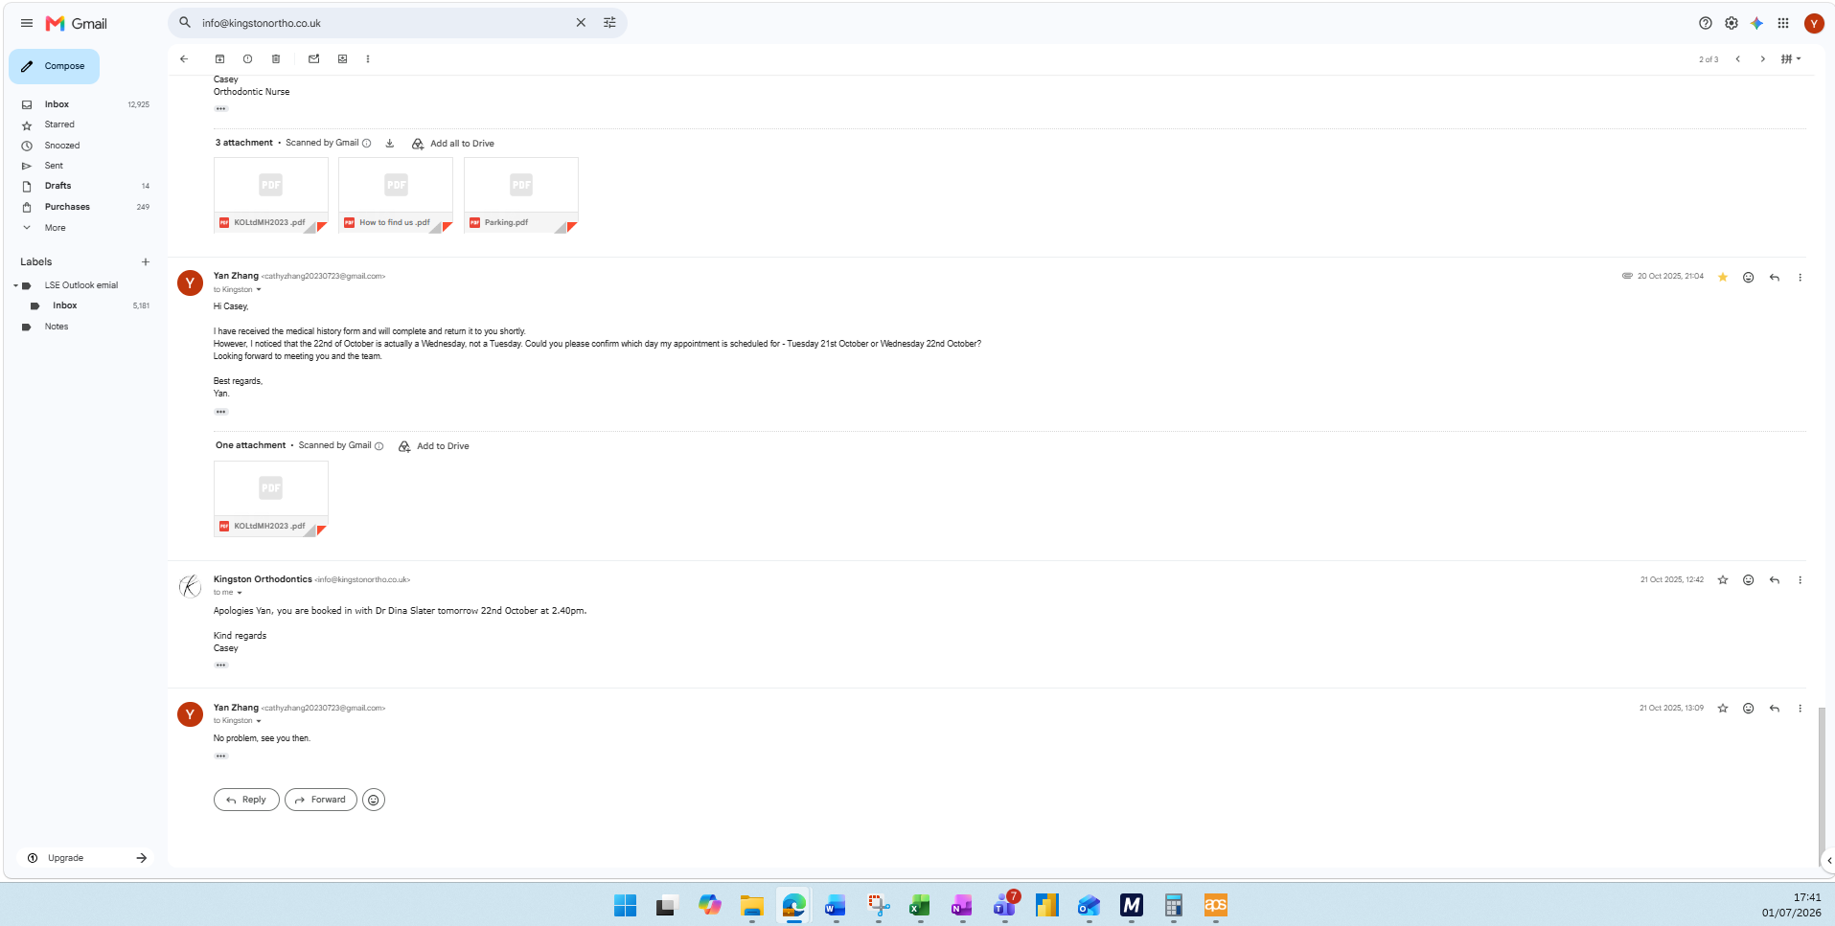
2025-10-22
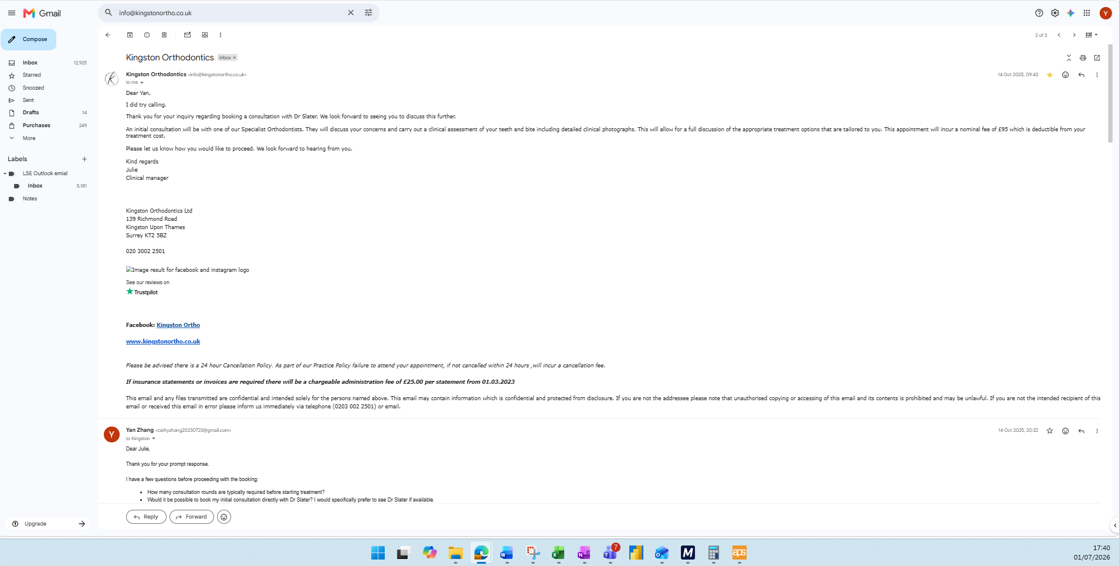

The screenshot shows confirmation of my orthodontist appointment on 22 October 2025 at 2:40 pm. This was a necessary appointment related to my ongoing orthodontic treatment and supports the reason for my absence on that date.

2025-12-02
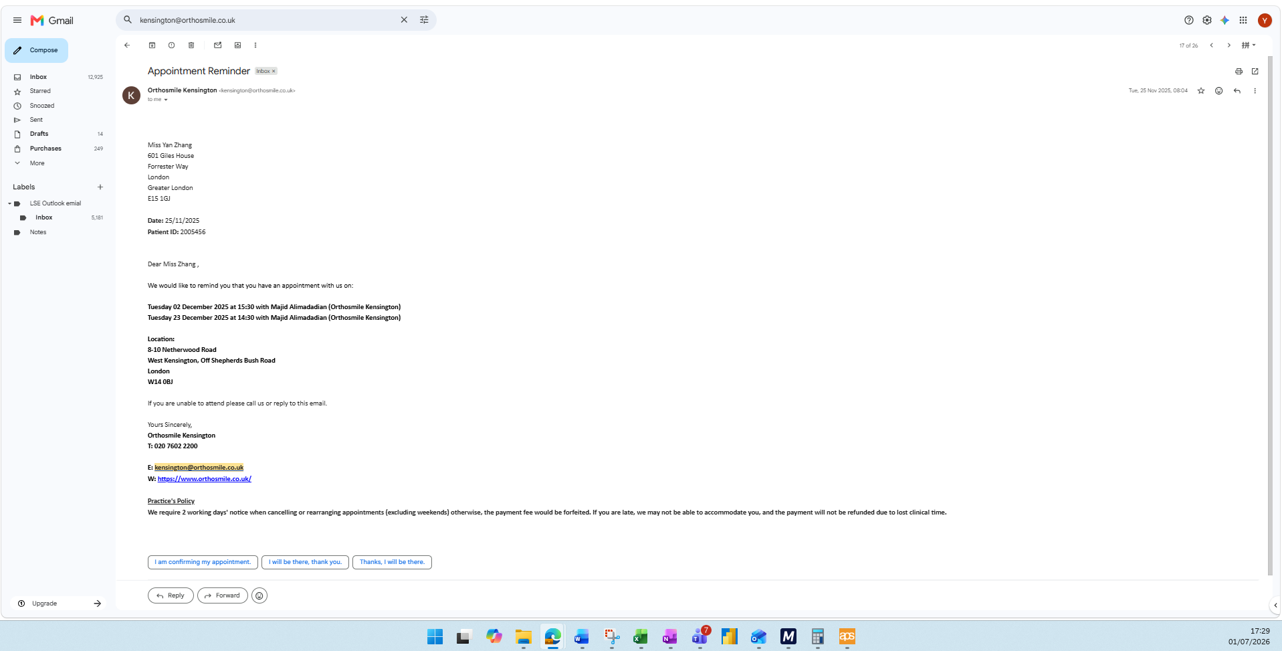

The screenshot shows confirmation of my pre-booked orthodontist appointment with OrthoSmile Kensington on 2 December 2025 at 3:30 pm. This appointment formed part of my ongoing orthodontic treatment and supports the reason for my absence on that date.

2026-01-14
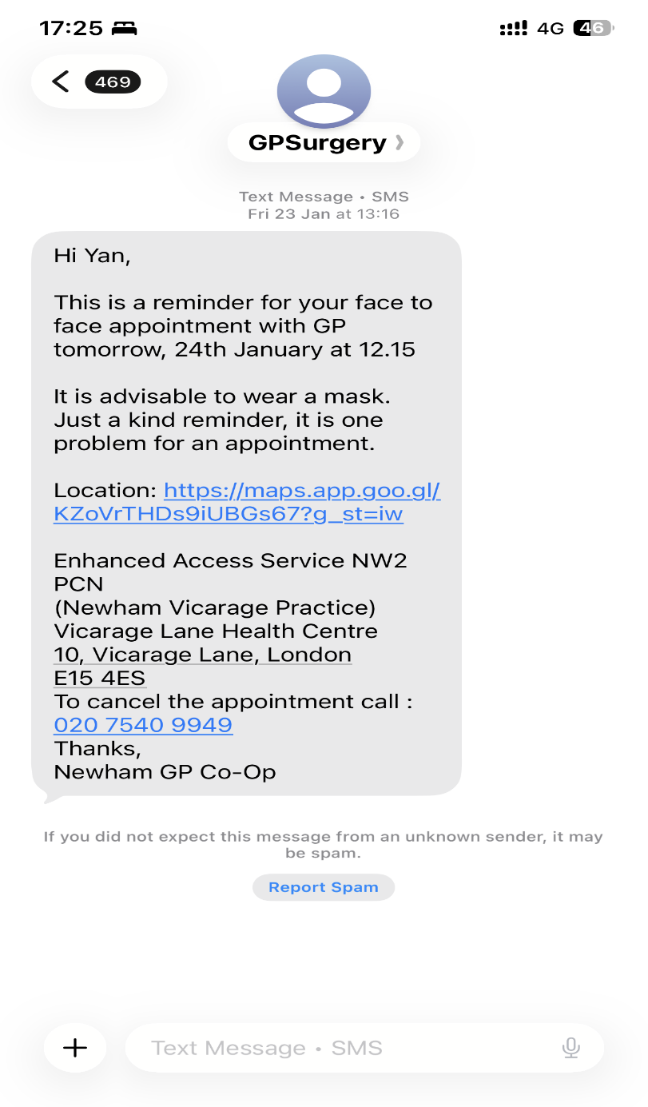

The screenshot shows confirmation of a face-to-face GP appointment on 14 January 2026 at 12:15 pm.

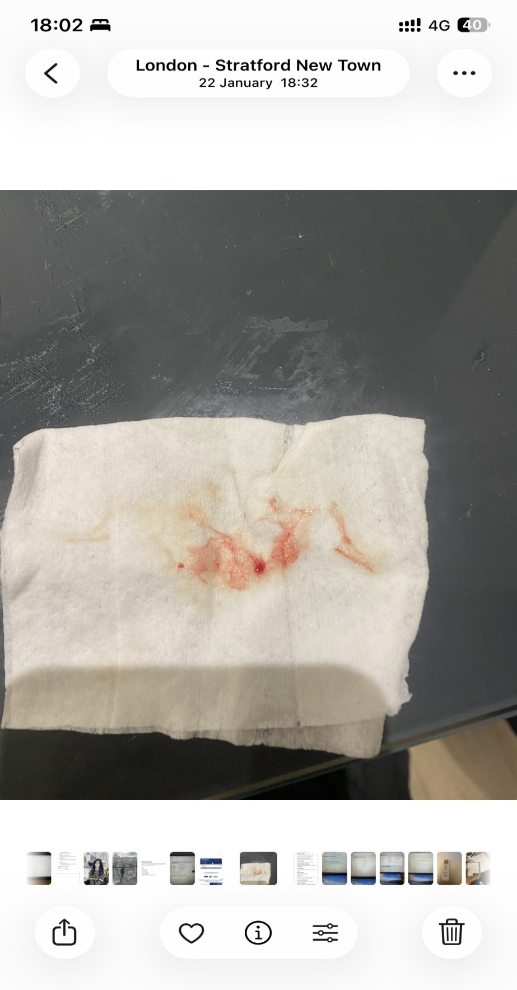
2026-01-20
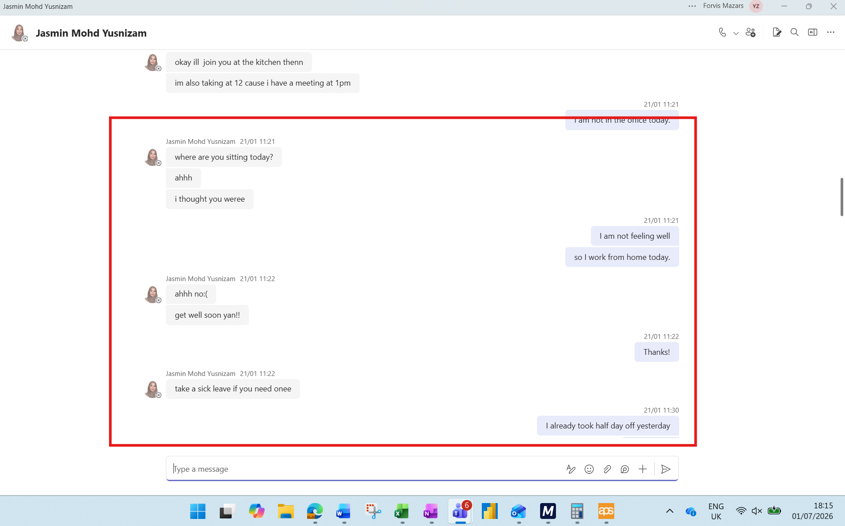
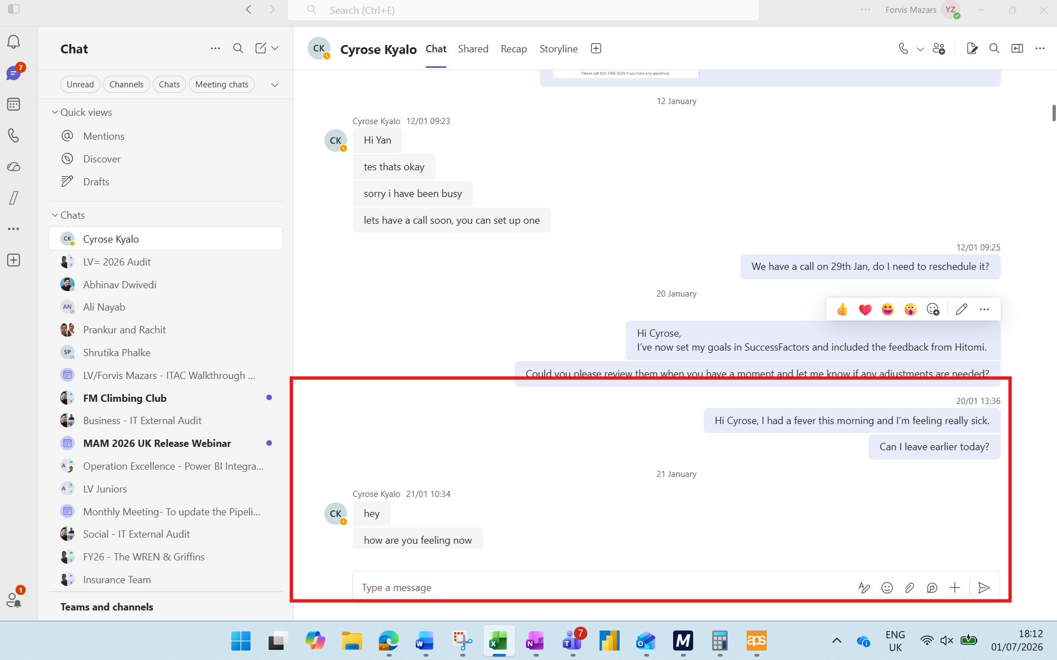
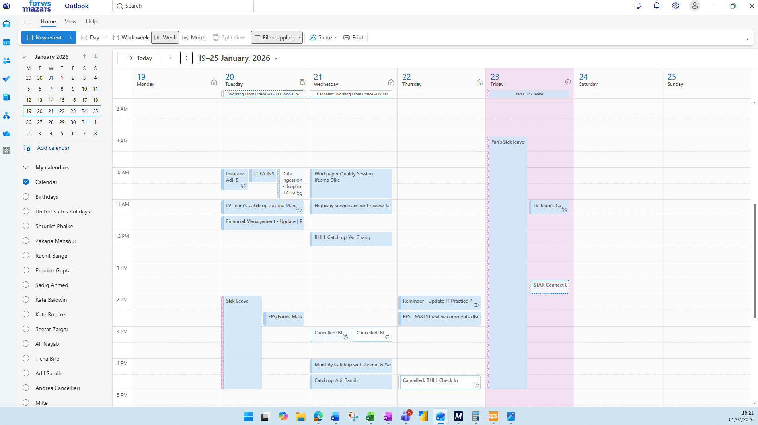

20 & 23 January 2026 – Acute Illness
- On 20 January 2026, I woke up with a high fever and felt unwell. Although I had planned to work from home, I attended the office due to an in-person Insurance Team meeting. By early afternoon, my condition had worsened and I informed my line manager that I needed to leave work and rest at home.
- On 21 January, I was still unwell and unable to attend the office.
- On 22 January, my symptoms became more serious and I began coughing up blood.

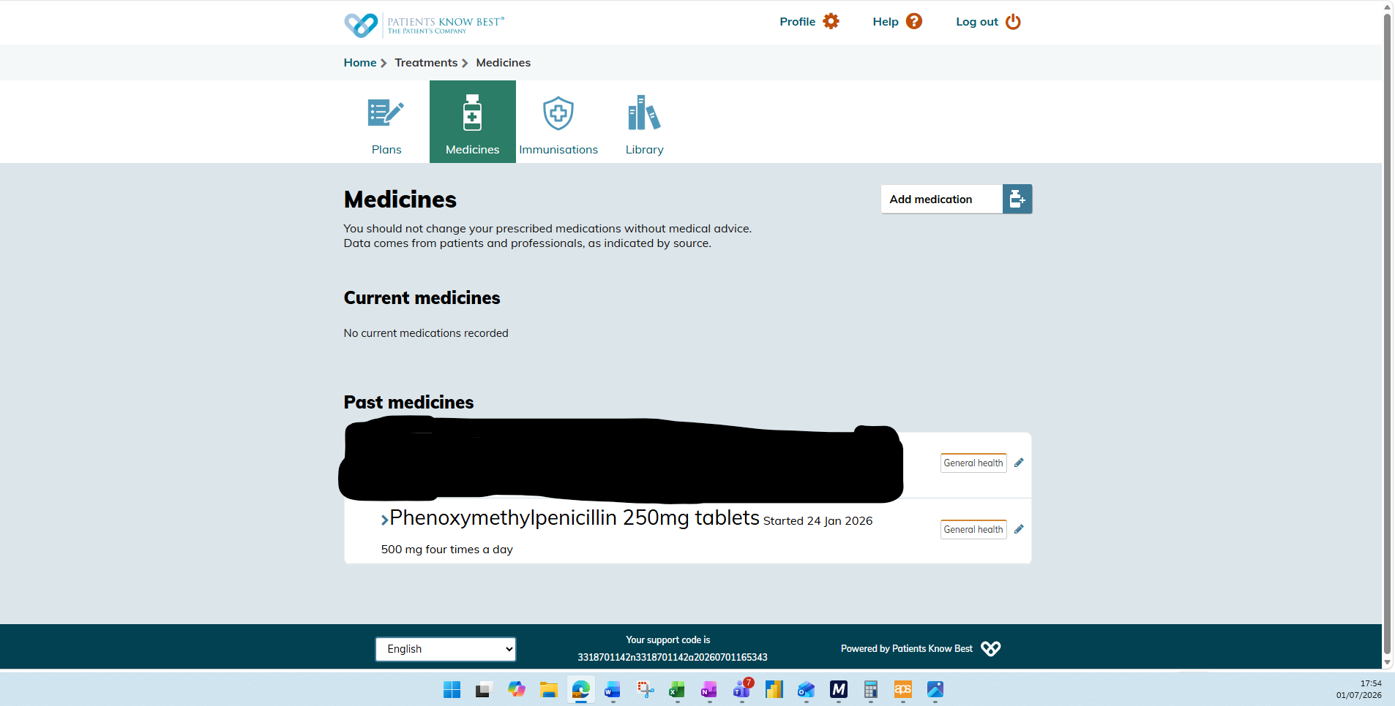

2026-01-23
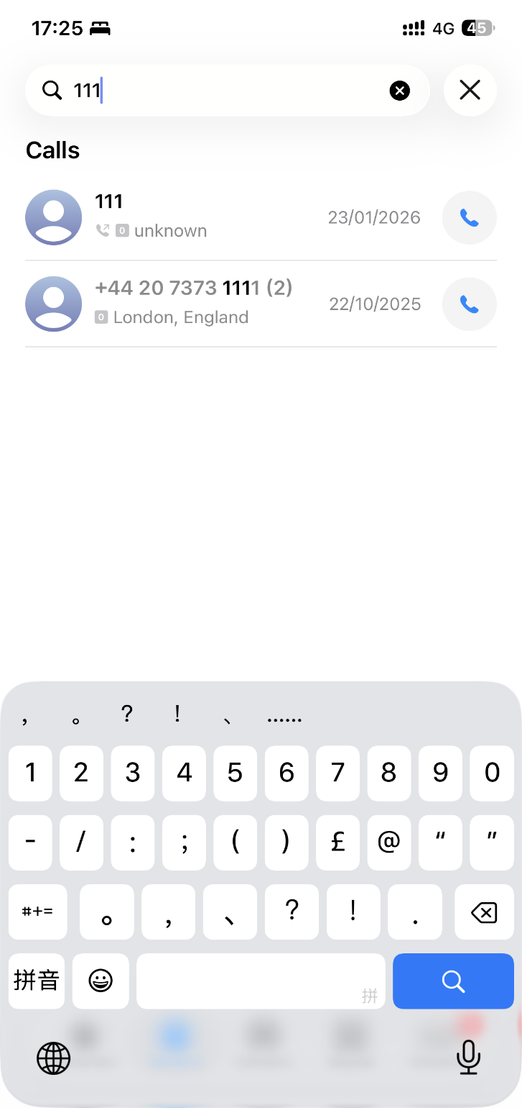

On 23 January, I was feeling extremely unwell and had no strength to get out of bed. I contacted NHS 111 for urgent medical assistance, but there were no GP appointments available on the same day. They booked me an appointment for 24 January, and I was subsequently prescribed antibiotics. As a result, I was unable to attend work on 23 January.

2026-02-25

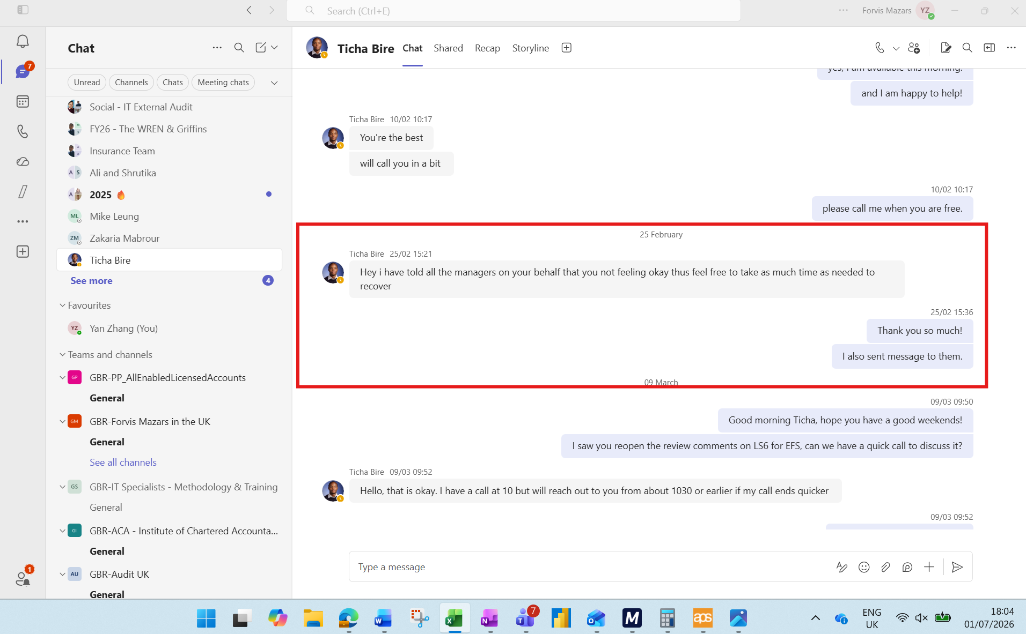
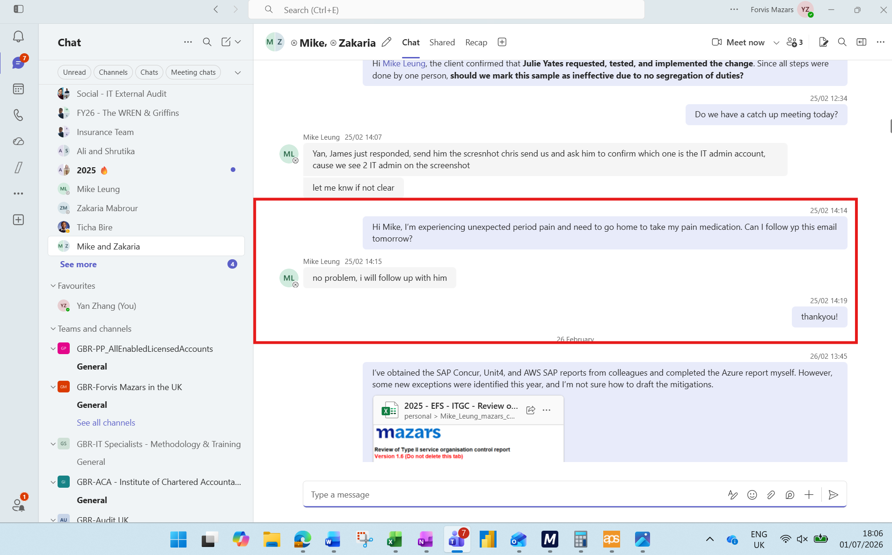
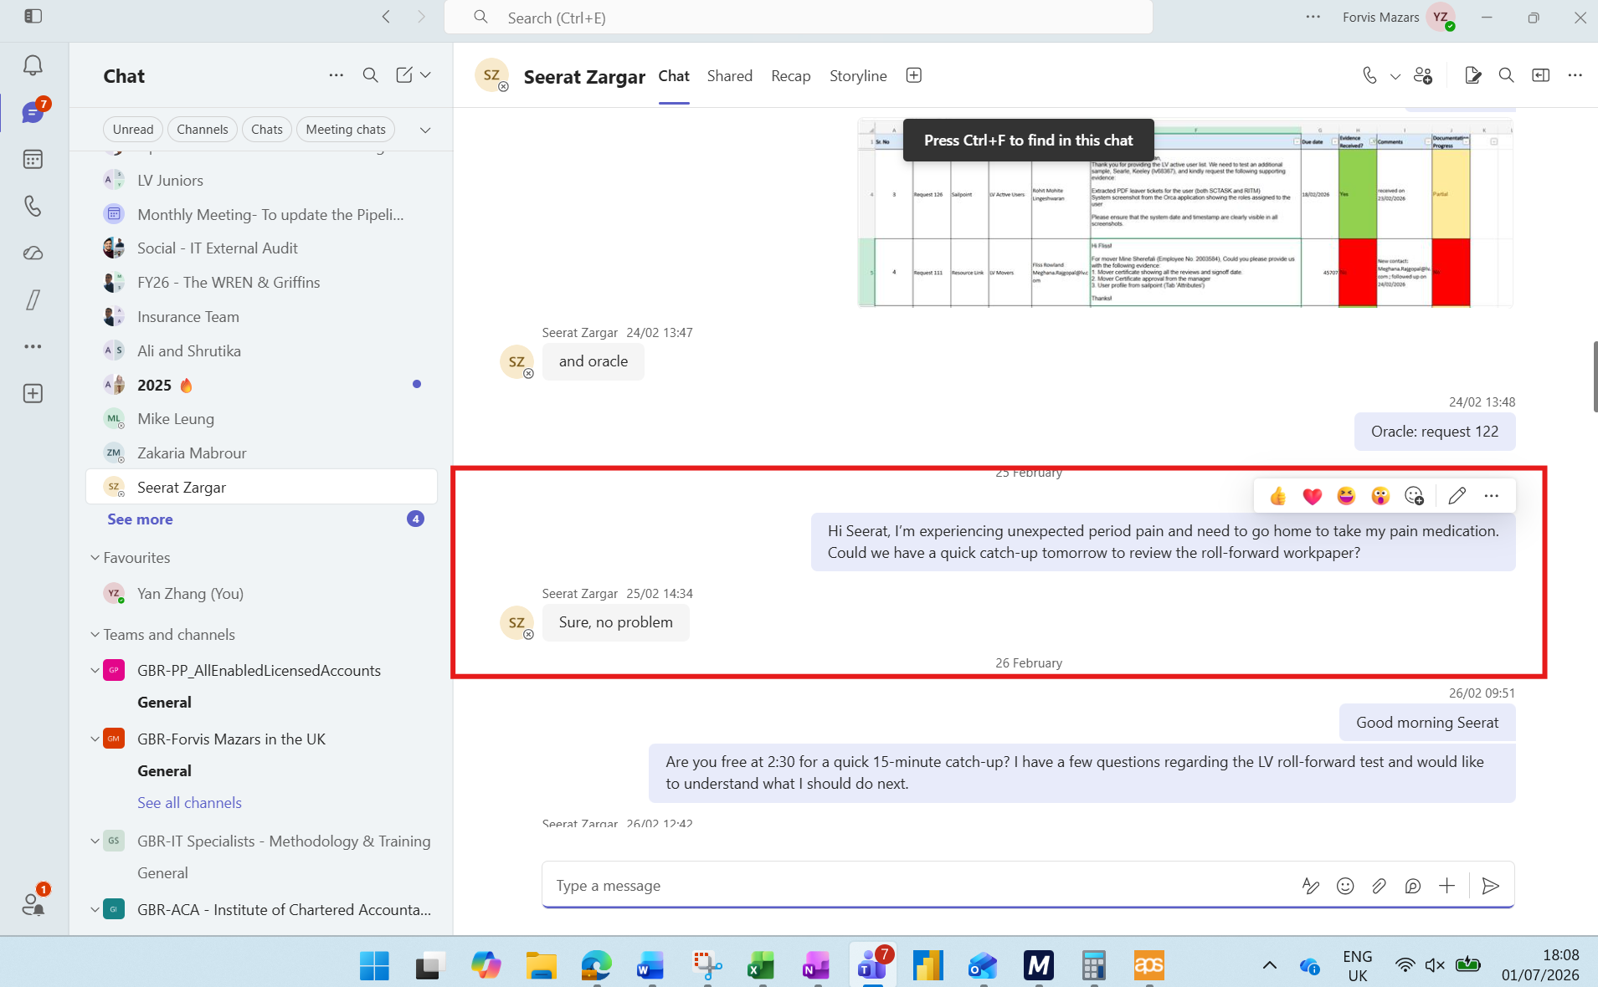
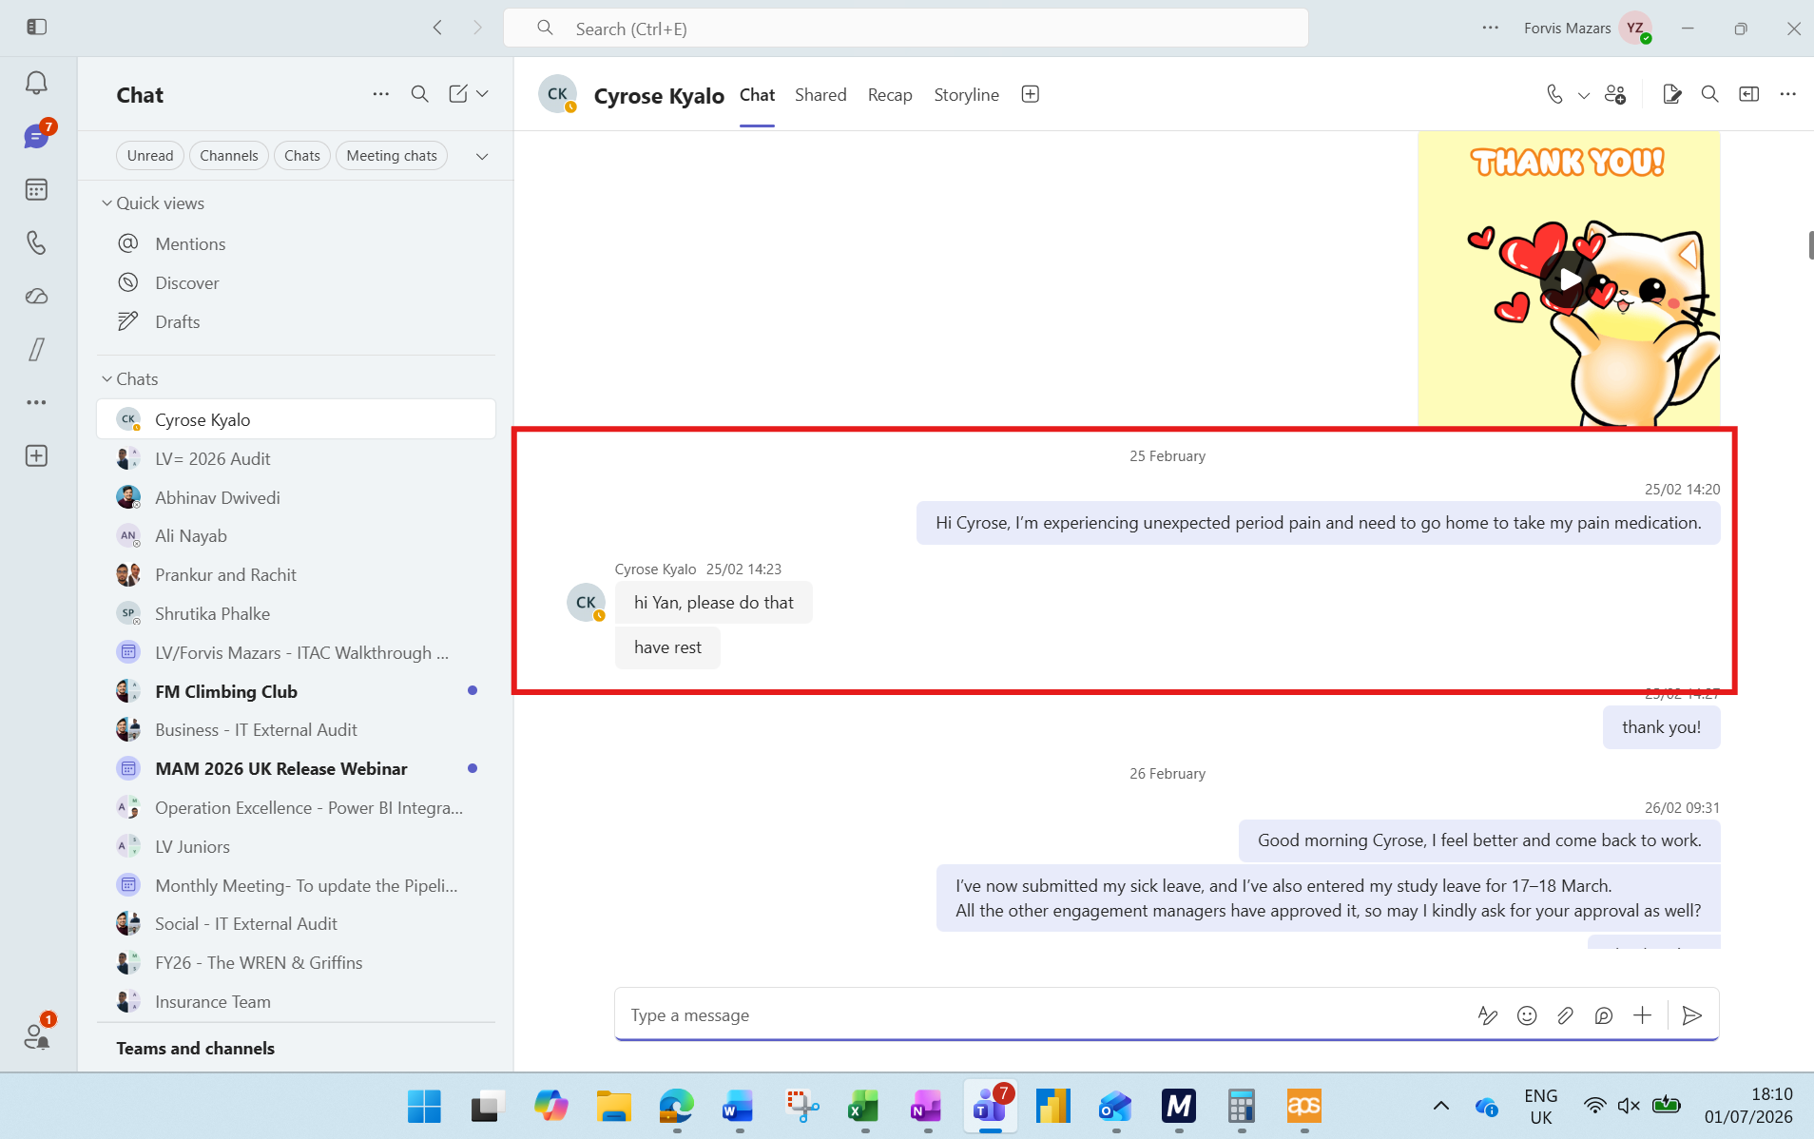

On 25 February, I attended work as normal; however, my period started unexpectedly and I experienced severe menstrual pain. As I did not have any pain relief medication available, my condition worsened during the day. I tried to continue working but by the afternoon I was unable to do so and had to take sick leave and return home. A number of colleagues observed that I appeared noticeably pale and unwell and advised me to go home and recover. I informed my managers of the situation, and the Teams chat records provide supporting evidence.

2026-05-21
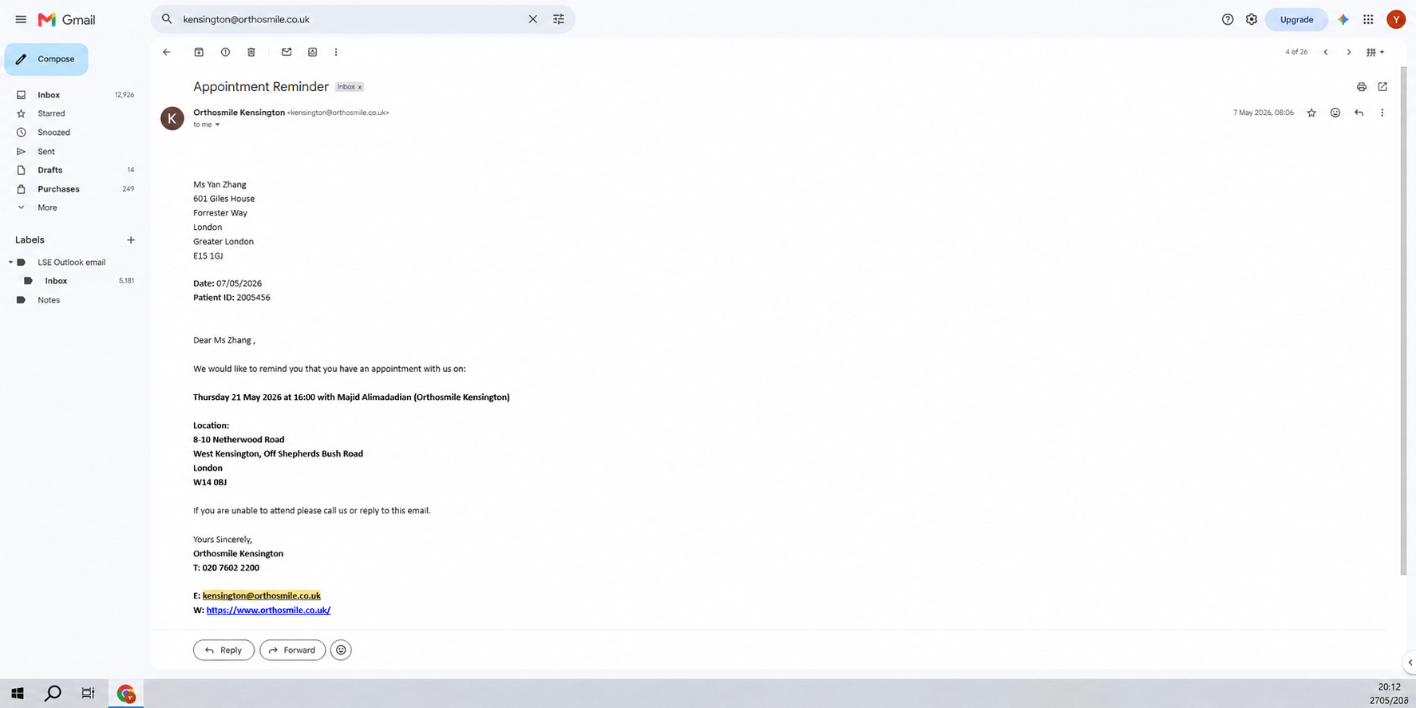

The screenshot shows confirmation of my pre-booked orthodontist appointment with OrthoSmile Kensington on 21 May 2026 at 4:00 pm. This appointment formed part of my ongoing orthodontic treatment and supports the reason for my absence on that date.

